Risk, Odds
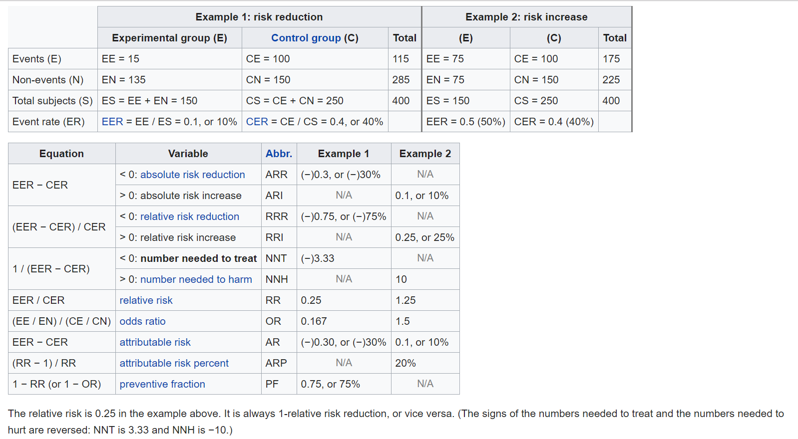
 | Example 1: risk reduction |  |  | Example 2: risk increase
 | Exposure group (E) | Control group (C) | Total | (E) | (C) | Total | 36 | 38 | mean
Events (E) | 75 | 100 | 175 | 75 | 100 | 175 | 37 | 37 | medium
Non-events (N) | 75 | 150 | 225 | 75 | 150 | 225 | 41 | #N/A | mode
Total subjects (S) | 150 | 250 | 400 | 150 | 250 | 400
Event rate (ER) | 0.5 | 0.4

Absolute risk R/I | 0.1 | increase | (ARI)
Relative risk R/I | 0.25 | increase | (ARI)
Number needed | 10 | to harm | (NNH)
Relative risk | 1.25 | outcome is positively associated with exposure
Odds ratio | 1.5
Attributable risk | 0.1
Attributable risk % | 0.2
Preventive fraction | -0.25

Notes
"For a test at different but generally high sens & spec, increased disease prevalence (>2-3%), ppv generally performs well. At low prev (<2-3%), ppv drops to nearly zero and is useless."
ROC = | Receiver Operator Characteristics
AUROC = | area under ROC; the higher the AUROC, the better your model is. 1 is ideal

Types of Data |  |  | Incidence: # of new cases occurring in a period of time
 |  |  | Prevalence: # of existing cases at a single point in time
Continuous: measurements
 |  |  |  | P: chance of event occuring; 0 - 1
Categorical |  |  |  | Odds: P(event occurs)/P(event doesn't occur); 0 - infinity
Nominal: names, ethnic groups |  |  |  | Odds ratio: odds of outcome in group 1 / odds of outcome in group 2
Ordinal: in order but not equal (Likert), mild/moderate/severe
Dichotomous: only two values |  |  |  | Reasonable estimation of risk for rare events
 |  |  |  |  | OR = RR for rare events
 |  |  |  |  | overestimates risk if baseline risk is high
Descriptive Statistics: to describe study sample; seen in table 1 of studies
frequency |  |  |  | RR (risk ratio) = P(outcome in those exposed)/ ......
mean: average |  |  |  | AR difference = magnitude of difference between groups
median: midpoint when data is ordered
mode: most common value observed |  |  | Measures of significance
... |  |  |  | P-value: only talks about significance | Measure of the precision of the results; CIs quantify the size of effects or differences
... |  |  |  | Confidence Intervals
 |  |  |  | You want a narrow confidence interval. "I am 95% confident that the actual value is between 63 and 66."
Distributions: normal, skewed (skewness), bimodal |  |  |  | CIs are affected by sample size
 |  |  |  | Odds Ratio/RR: if the 95% CI passes through 1.0, it is NOT statistically significant
Measures of association |  |  |  |  | If you declare an increased risk (i.e., >1) and your confidence interval includes 0.8 - 1.2, you're saying you're confident that it could be a risk increase OR decrease (risk <1); and vice versa.
Odds Ratio: used to estimate RR in case-control studies
Risk Ratio
Absolute risk
Pearson's correlation coefficient
 |  |  | measure of ...
 |  | study type | ... disease | ... association
Cohort studies: can give you relative risk |  | cohort | incidence | relative risk |  | A relative risk of 1.0 signifies that the incidence rate is the same among exposed and non-exposed subjects and indicates a lack of association between exposure and disease.
Case-Control studies: can give you odds ratios |  | case-control |  | odds ratio |  | In case-control studies, data are not available to calculate the incidence rate of the disease being studied, and the actual relative risk cannot be determined.
 |  |  |  |  |  | The odds ratio is generally a good estimate of the relative risk.

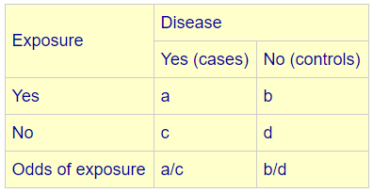
 |  |  | In case-control studies, and in cohort studies in which the outcome occurs in less than 10% of the unexposed population, the OR provides a reasonable approximation of the RR.
 |  |  | However, when an outcome is common (iY 10% in the unexposed group), the OR will exaggerate the RR.
 |  |  | One method readers can use to estimate the RR from an OR involves using a simple formula. Readers should also look to see that a confidence interval is provided with any report of an OR or RR.
 |  |  | https://www.ncbi.nlm.nih.gov/pubmed/18580722

